NEW Submission - Text Assets
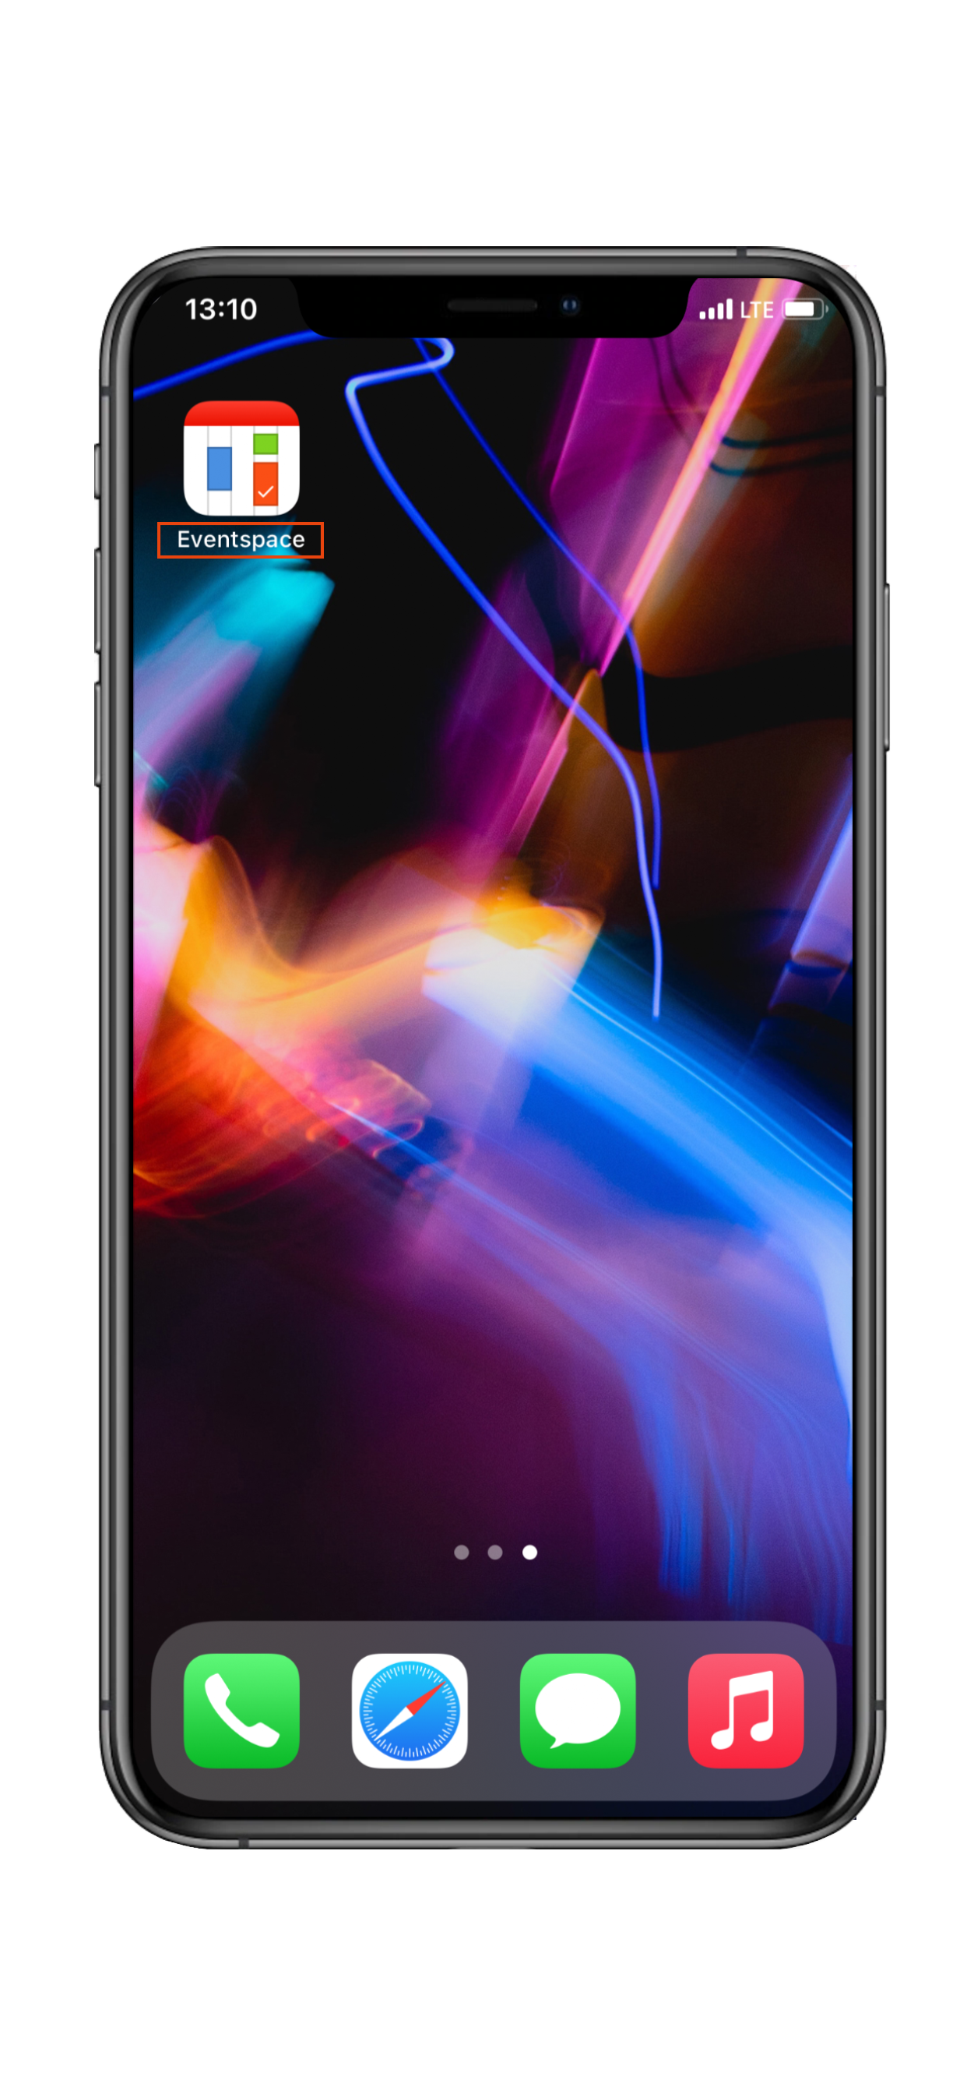
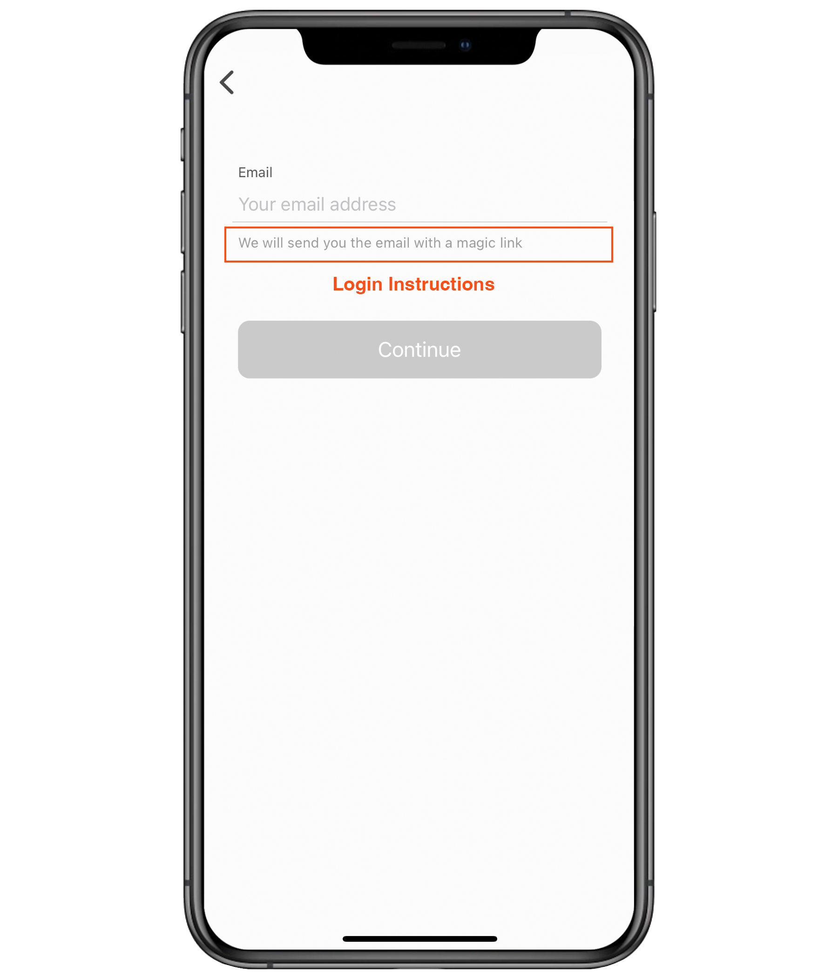
Details | Description | Information
App Build Configuration
App Name | Max 12 Characters. The name of the app appearing under the icon when installed on a device
Welcome message | A short welcome message that will appear on the landing page upon opening the app. The default message is "Browse, connect and discover everything there is on your event"
Authenntication Mechanism | 1. Email Login - two-step verification 2. Public login - event registration 3. SSO - Single Sign-On More information: https://support.spotme.com/hc/en-us/articles/115004096445-What-access-mechanisms-for-an-event-
Login instructions | Short text containing Instructions for logging into the app, appearing on the app login page. Example: Please enter your registered email address below to log in.
Screens-Bottom Toolbar
Left Action
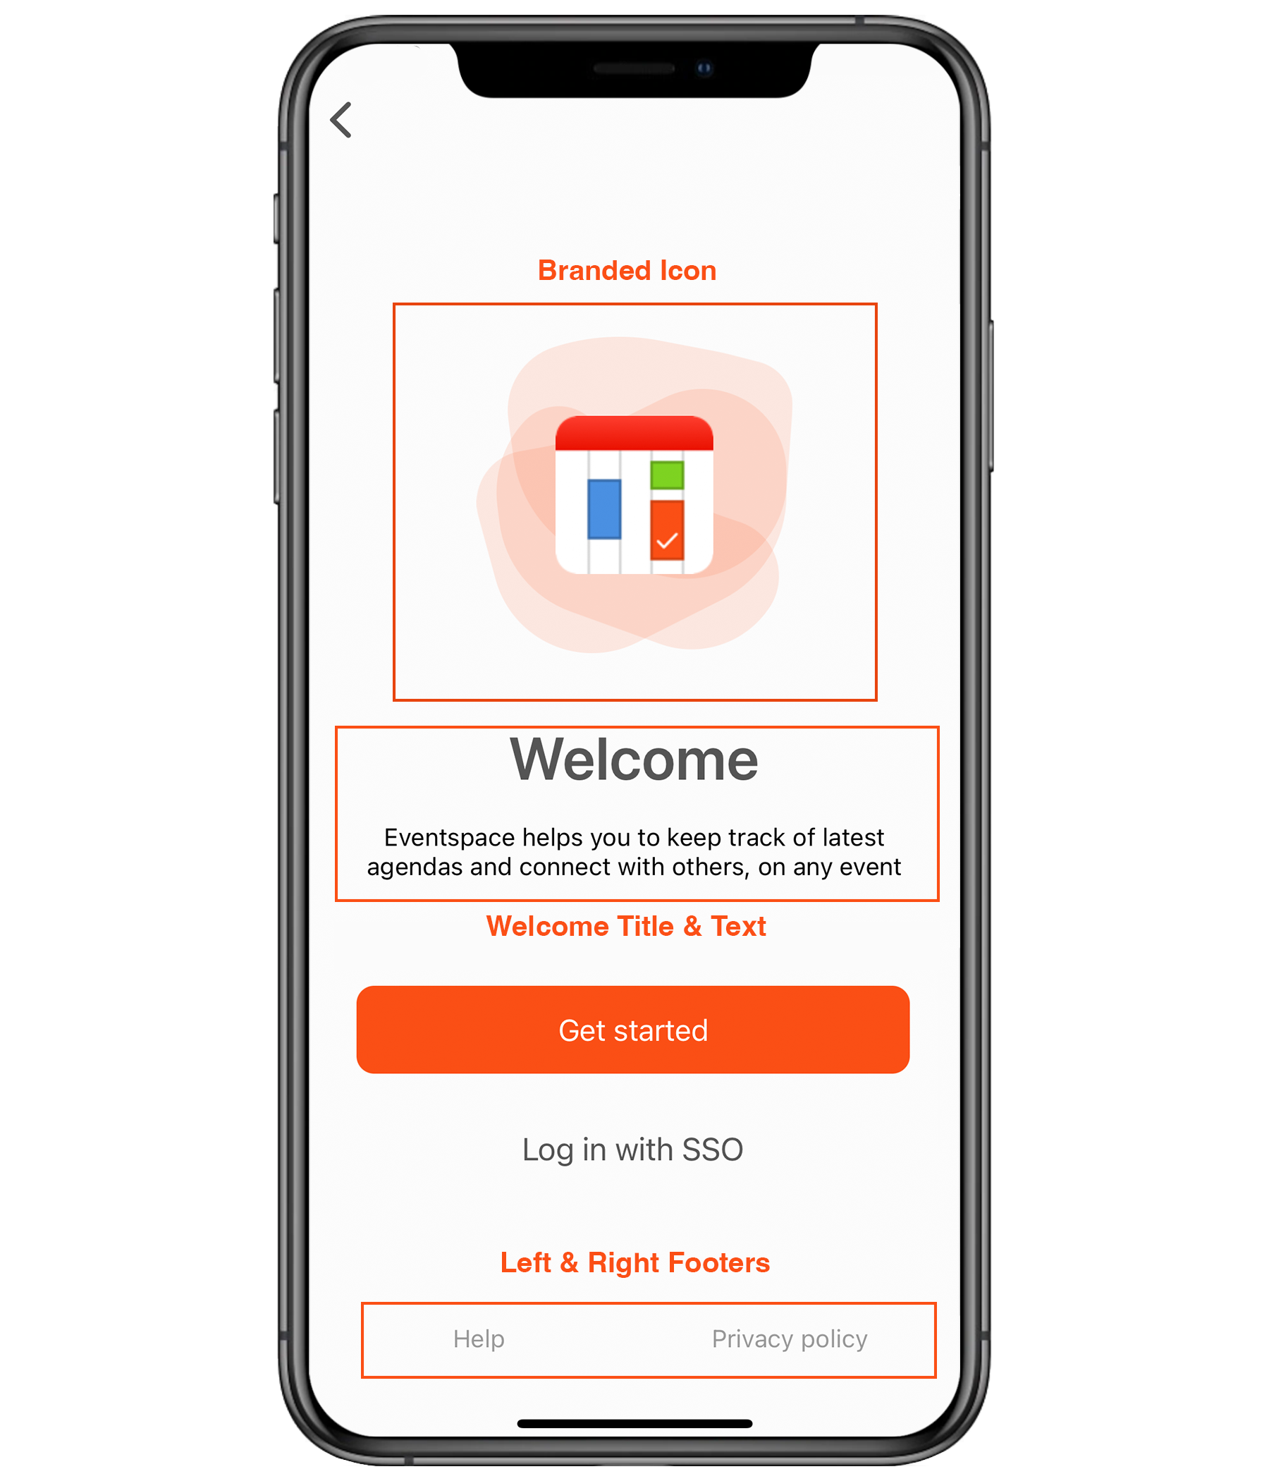
Type | Bounce out to an Email or URL - Please indicate
If URL | Provide the URL
URL Label | What is the label of the button - visible in the app
If Email | Provide the email address
Email Label | What is the label of the button - visible in the app
Email Subject | Optional but recommended, Subject of email
Email Body | Optional-Pre programmed body of email
Right Action
Type | Bounce out to an email or URL
If URL | Provide the URL
URL Label | What is the label of the button - visible in the app
If Email | Provide the email address
Email Label | What is the label of the button - visible in the app
Email Subject | Optional but recommended, Subject of email
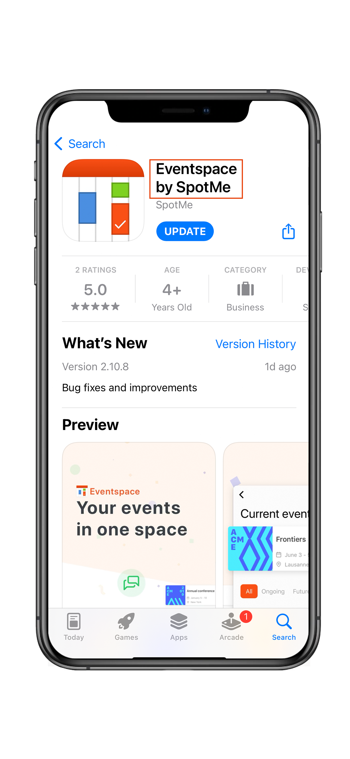
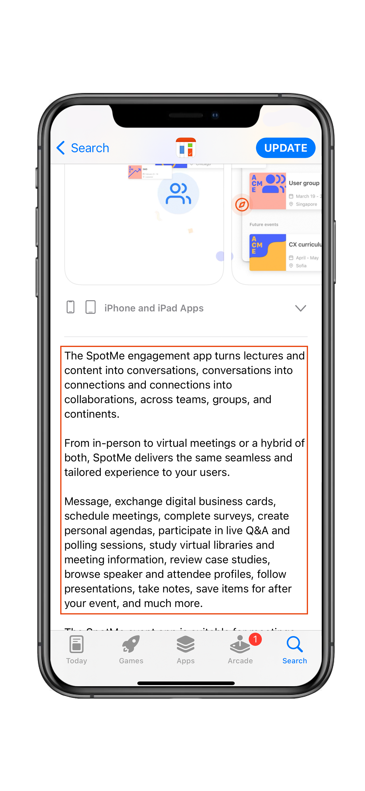
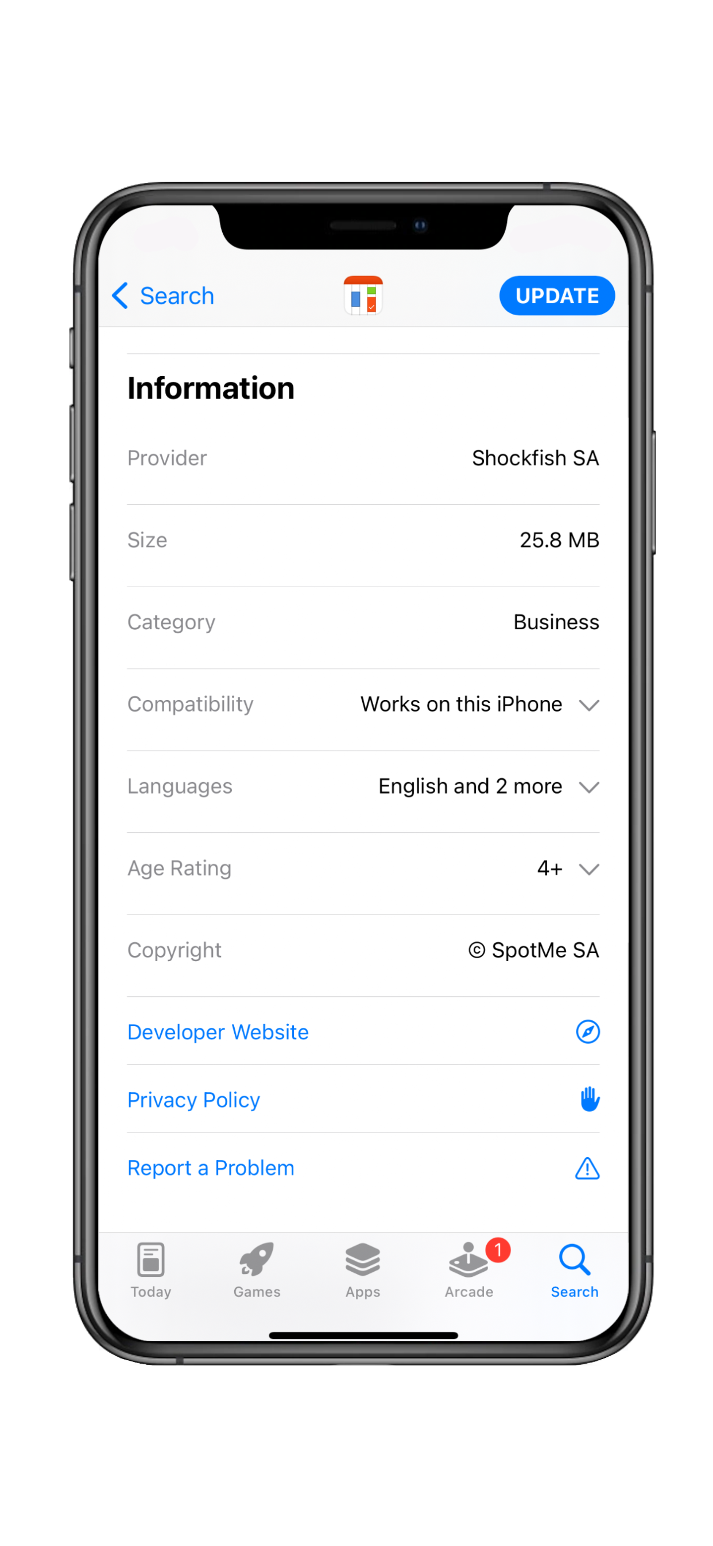
Email Body | Optional-Pre programmed body of email
Store Listing
App Name on the stores | Displays in the stores listing page. It does not have to match exactly the App Name, although - that is recommeended. Limited to 30 characters.
Short Description | Displayed ONLY in Google Play, max 80 characters
Long Description | Max 4000 characters. The complete description of the app (e.g. what is the app going to be used for, list of main features available to users, etc.)
Keywords | Applicable only to the Apple App Store. Searc terms for the app, limited to 100 characters (incl. spaces)
Marketing Website | App developer or client website /Displayed on the stores/
Support Website | Website for support /Displayed on the stores/
Privacy Policy | Link to a Privacy policy /Displayed on the stores/
Copyright | Company copyright /Displayed on the stores/
Publishing
Publishing / Developer Account | Who ownns the publishing account the app will be submitted under
Update Until | Please select the date (according to contract) until which the app should be regularly maintained / updated
Target Live Date | What is the target date of having the app live on the stores
Useful Resources
Text Assets Checklist
Text Assets Best Practices

NEW Submission - Visual Assets
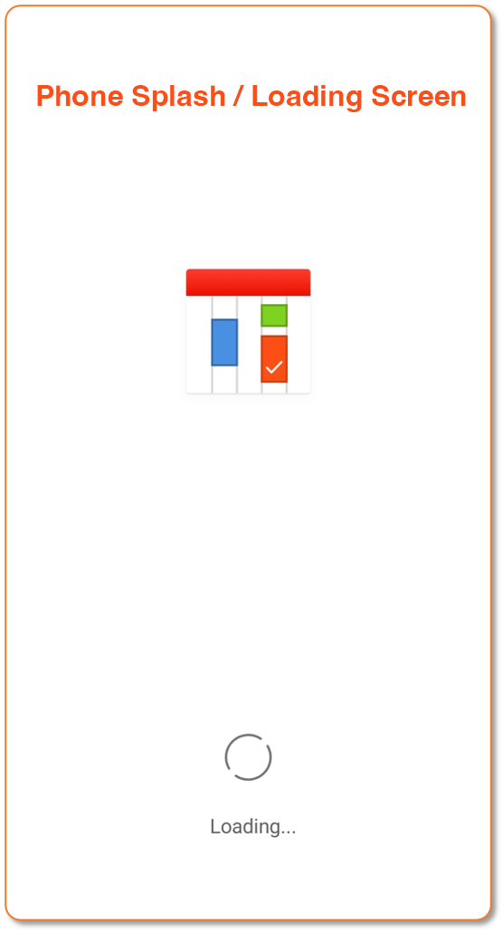
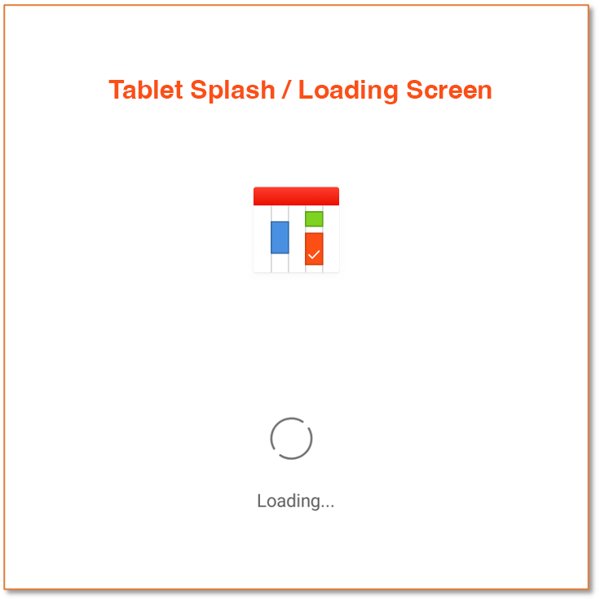
Details | Description
App Assets
App Store Icon PNG-24 | 1024x1024 px, no transparency. Appears when the app is installed on a device and on the App Store listing page.
Google Play Icon PNG-24 | 512x512 px, no transparency. Appears on Google Play listing page.
Splash Screen Phone PNG-24 | 1242x2208 px, no transparency. Loading screen for phones.
Spash Screen Tablet PNG-24 | 2048x2048 px, no transparency. Loading screen for tablets.
Google Play Feature Graphic PNG-24 | 1024x500 px. Only for promotional purposes.
Workspace for screenshots (In case you would like the SpotMe Design Team to create the final screenshots) | Please provide the Workspace ID or Name that will be used for: 1) Creating the app screenshots 2) App Review by the Apple team Please make sure the event you choose is presentable and has all functionalities listed in the description working.
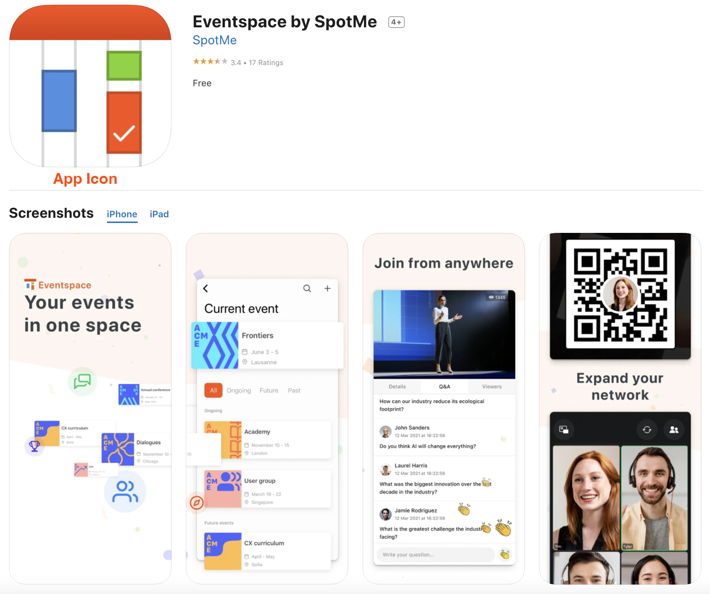
Final Screenshots (In case you would like your team to create the final screenshots) | A minimum of 3 screenshots should be provided in all listed resolutions. Screenshorts should not include transparency (alpha channel) and should be adapted to an iOS or Android device respectively.
iPhone - App Store | 1242 x 2688 px AND 1242 x 2208 px
iPad - App Store | 2048 x 2732 px
Phone - Google Play | 1242 x 2100 px
Tablet - Google Play | 1800 x 2048 px
Useful Resources
Mobile App Branding
Visual Assets Checklist
Visual Assets Best Practices

